1.Title Page
Project Name : Instacart Analysis
Date: December 4th, 2023
Analyst Name: Stanley James
 |  | Instacart Basket Analysis

Contents:
Population Flow Tab2
Consistency Checks Tab3
Wrangling Steps Tab4
Column Derivations Tab5
Visualizations Tab6
Recommendations Tab7

Data Citation
Instacart Datasets | www.instacart.com/datasets/grocery-shopping-2017
Regions of united states | region information in this Wikipedia article

2.Population Flow
Population Flow
Exclusion Flag
Observations Removed:
Due to the nature of this analysis, multiple '_merge' columns emerged and were removed.
Final total count of Orders_products_all :
rows: 30,964,564
columns : 33
Products
original data
rows: 49,693
columns : 5
Customers
original data
rows: 206,209
columns: 10
Orders
original data
rows: 3,421,083
columns: 7
Orders_ Products_Prior
original data
rows: 32,434,489
columns : 4

Products
after consistency checks
rows: 49,672
columns : 5
Customers
after consistency checks
rows: 206,209
columns: 8
Orders
after consistency checks
rows: 3,421,083
columns: 6
Orders_ Products_Prior
after consistency checks
rows: 32,434,489
columns : 4

Orders_Products_all
rows: 32,404,859
columns: 20
Orders_Products_Combined
rows: 32,434,489
columns: 10
Orders_Products_Merged
rows: 32,404,859
columns: 13

6.Visualizations
Visualizations



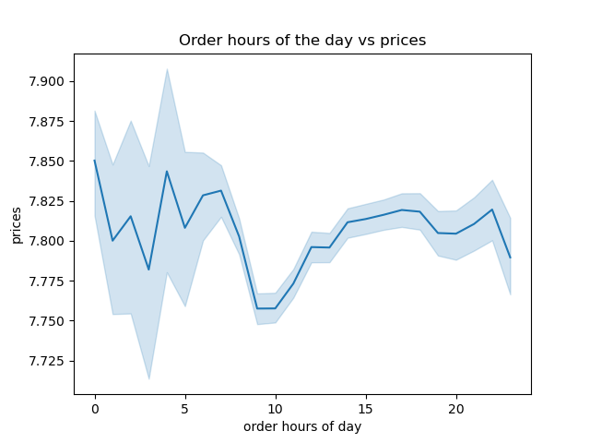

The busiest days of the week is 0 (saturday) and 1 (sunday) |  | The busiest order hours is between 10am - 3pm |  | The most spending time is between 3am - 7am
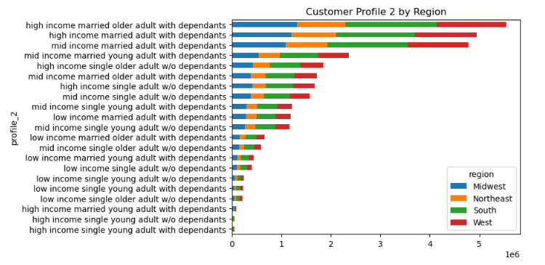
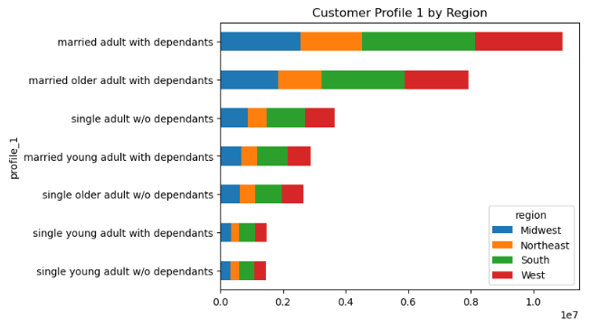

The west region has the most order from married adults with dependants |  |  | The married adults or older adults with dependants still has the highest orders but also among high income range
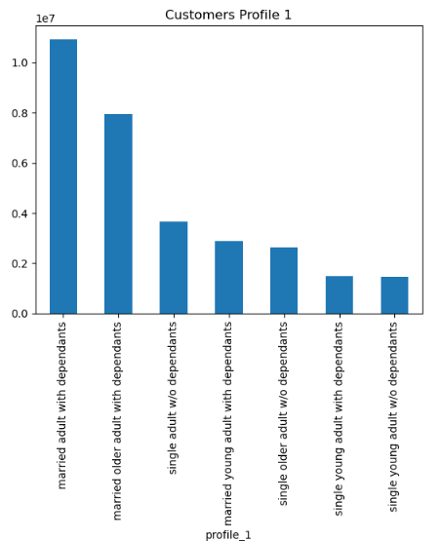
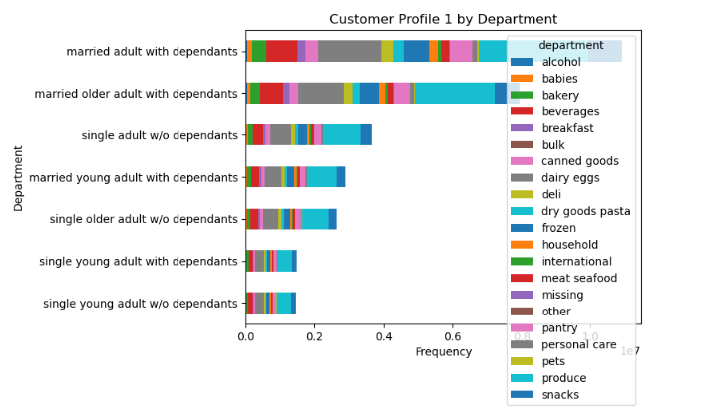
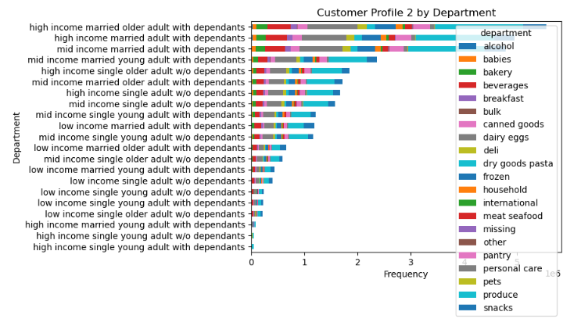
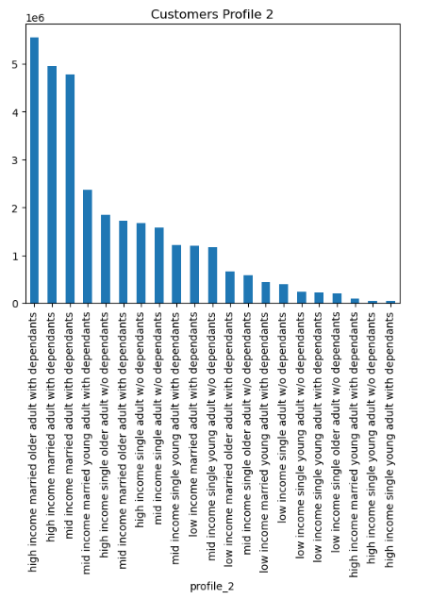

 |  |  | the snacks, produce, and pets are the top departments even after adding the income range to the customer profile.

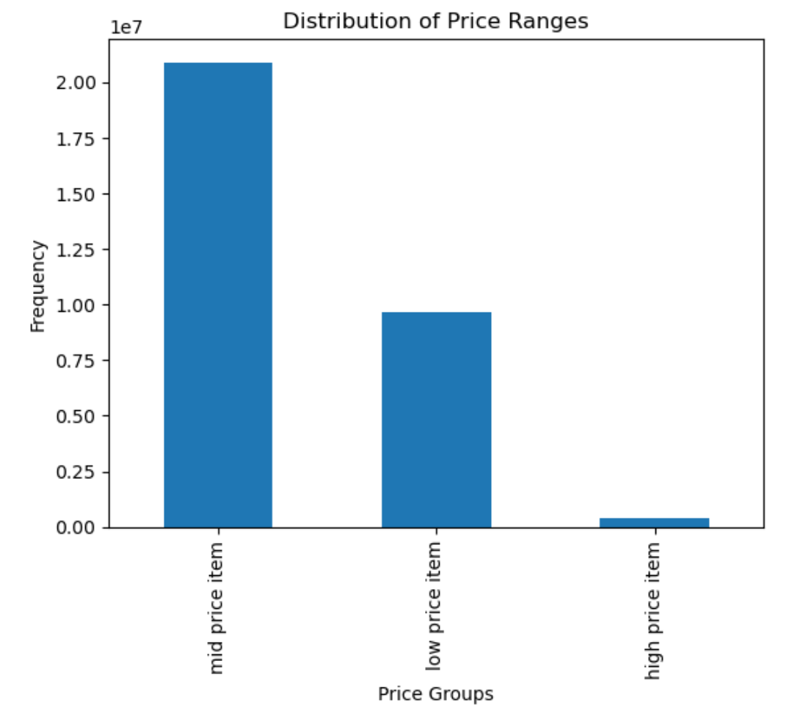
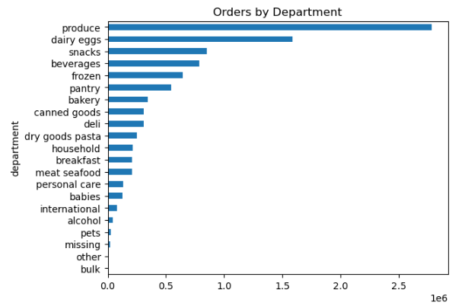
This is the distribution of the customer 1 and 2 profiles
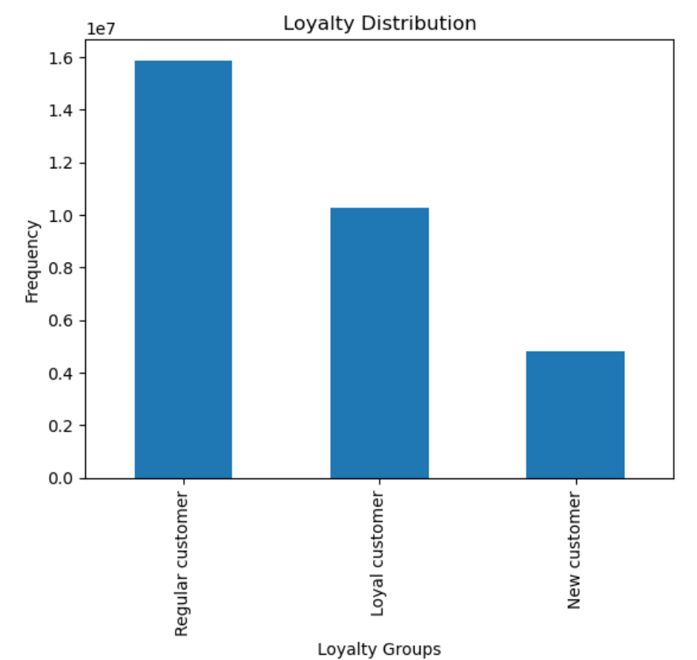

 |  |  |  | The most ordered items are from produce,dairy,eggs and snack department

 | The most customers are under regular category | The most customers prefer mid price items

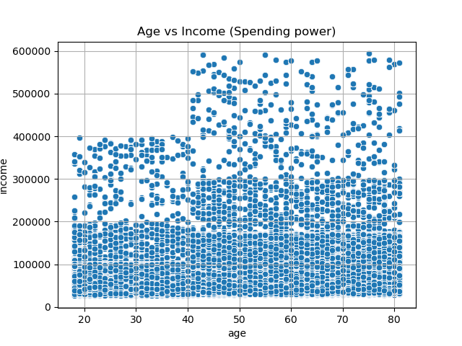
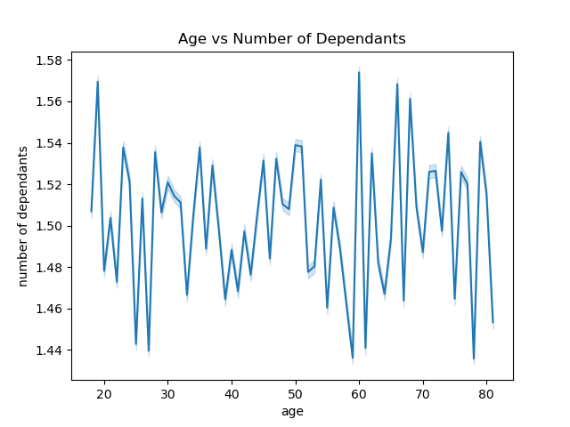

 |  |  | The ages above 40 earn more and have more spending power than those below 40 yrs
There is no corelation between age and dependants

7.Recommendations
Key Questions :
1. The sales team needs to know what the busiest days of the week and hours of the day are (i.e., the days and times with the most orders) in order to schedule ads at
times when there are fewer orders.
Recommendations :
The busiest days of the week for Instacart are Saturday and Sunday and the busiest hours for order placements are between 10 am and 3pm. the least busy days are Tuesday and Wednesday and the hours between midnight to 6am. It is recommended for the marketing team to target ads to increase weekday shopping and increase flow of orders in the early morning hours between ‘midnight to 6am’ due to increase sales during these times.
Question 2.
What are the times of day when customers spend the most money? This information will be used for products advertistments.
Recommendations:
Marketing should consider targeting ads to consumers to increase order placement in the early-morning hours due to lower frequency of orders placed and higher sales.
Question 3:
Instacart has a lot of products with different price tags. Marketing and sales want to use simpler price range groupings to help direct their efforts.
Recommendations:
Most customers purchase mid price items between $5- $15 It is recommended items above $16 be placed in a separate category due to their lower purchased frequency.
Question 4:
Are there certain types of products that are more popular than others? The marketing and sales teams want to know which departments have the highest frequency of product orders.
Recommendations :
The most popular department products by purchase frequency is first the ‘produce’ department followed by the ‘dairy/eggs’ department.
Given the popularity of the Produce Department, the top 10 products within the Produce Department were pulled. Bananas, followed by bags of organic bananas, are both the highest and second most frequently purchased items across the Insta Cart Consumer base.
Question 5:
What’s the distribution among users in regards to their brand loyalty (i.e., how often do they return to Instacart)?
Are there differences in ordering habits based on a customer’s loyalty status?
Are there differences in ordering habits based on a customer’s region?
Recommendations :
The most of the customers are 'Regular customers' with the loyalty flag, Consumers who have had 40 orders or more are labeled loyal_customer.
While customers with less than 40 but more than 10 are Regular_customers, Customers with less than 10 orders are considered new customers.
Avg consumers are more likely to use Instacart during the morning hours and have higher frequency of sales during the mid-week. Targeting consumers who are new to Instacart and beoming regular users would be supportive of missings to increase sales during low frequency times for orders during the week/time of day
Based on the visualization, mid-price items are the most purchased by all 3 loyalty groups.
The majority of the customers are in the South region and fall under the regular customers range.
The South region also has the most new customers.
The Northeast has the least customers in all 3 loyalty groups.
Question 6:
What differences can you find in ordering habits of different customer profiles?
Recommendations :
Having dependants is one of the biggest factors in order habits: Both single adult and married adults or older adults with dependants order the most in the top departments, are regular customers, and spend the most on mid-price items but young singles without dependants order the least even at a higher income range. the South region has the most customers in all 3 loyalty groups, but the West region is where most orders are placed. Produce, dairy eggs, and snacks are the top departments across profiles.
The south and west regions show the highest rates of sales for all user profiles for frequency of orders and expenditures. With the Midwest and northeast regions showing lower sales. Marketing should consider targeting ads to these regions to increase consumer usage and grow IC’s base. Consumer ages show the most variability in sales amongst profiles so marketing ads towards specific age ranges may help target IC consumers more specifically in different regions.
Lowest_income users show higher frequency of beverage and snack orders indicating they may more frequently use IC for enjoyment orders comparatively to higher and avg income users who show trends of groceries being prioritized. Marketing should consider a campaign to increase lower income users that targets the user of snacks/beverages.

Recommendations

